Intro to ChatGPT5
ChatGPT-5 for Finance & FP&A
By Christian Martinez

The newest and most powerful OpenAI model is here — and it’s a game-changer for finance teams.
ChatGPT-5 can analyze spreadsheets, PDFs, dashboards, and forecasts in one go. It doesn’t just read numbers — it reasons across them, challenges assumptions, builds models, and automates workflows.

Whether you’re closing the books, forecasting cash flow, or preparing board decks, GPT-5 works as a financial co-pilot:

Multi-modal: works with text, numbers, charts, and code

Multi-file: integrates data from multiple sources instantly

Action-oriented: produces insights, code, models, and polished deliverables

5 Things to know about ChatGPT-5

1) Breakthrough reasoning is built in: GPT-5 can “think” more deeply when a problem benefits from careful analysis, especially for complex work like coding, science questions, information synthesis, and data or financial analysis.
It delivers more accurate responses significantly faster than previous reasoning models.
It’s designed to get you the best answer, every time.
2) When you select GPT-5 in ChatGPT, you’re using a system that can automatically decide whether to use its Chat or Thinking mode for your request. For complex tasks, GPT-5 switches to GPT-5 Thinking, applying deeper reasoning before answering.
The decision to “think longer” uses signals from your prompt and conversation, as well as learned patterns from how people manually choose models, their preferences, and how often the model’s answers are correct.
3) ChatGPT Free tier accounts can send up to 10 messages every 5 hours. After reaching this limit, chats will automatically use the mini version of the model until your limit resets. Free tier users also have access to one GPT-5 Thinking message per day.
ChatGPT Plus plans can send up to 80 messages every 3 hours. After reaching this limit, chats will also switch to the mini version of the model until the limit resets.
4) GPT-5 supports every tool available in ChatGPT, so you can use it with all current features without limitation.
This includes:
Web search
Data analysis
Image analysis
File analysis
Canvas
Image generation
Memory
Custom Instructions
4) GPT-5 supports every tool available in ChatGPT, so you can use it with all current features without limitation.
This includes:
Web search
Data analysis
Image analysis
File analysis
Canvas
Image generation
Memory
Custom Instructions

Use Cases to Try:

1 | Futuristic Monte Carlo Forecasting App
2 | Microsoft DCF Model in Excel
3 | SaaS Market Research & CFO-Ready PowerPoint
4 | Python Data Analysis as Head of FP&A and Data Science
5 | HTML-Based Interactive Earnings Report Slides

Research the current energy market in the US.

Analyze market size, top competitors, growth rates, and key risks.

Produce a CFO-ready analysis

Settings
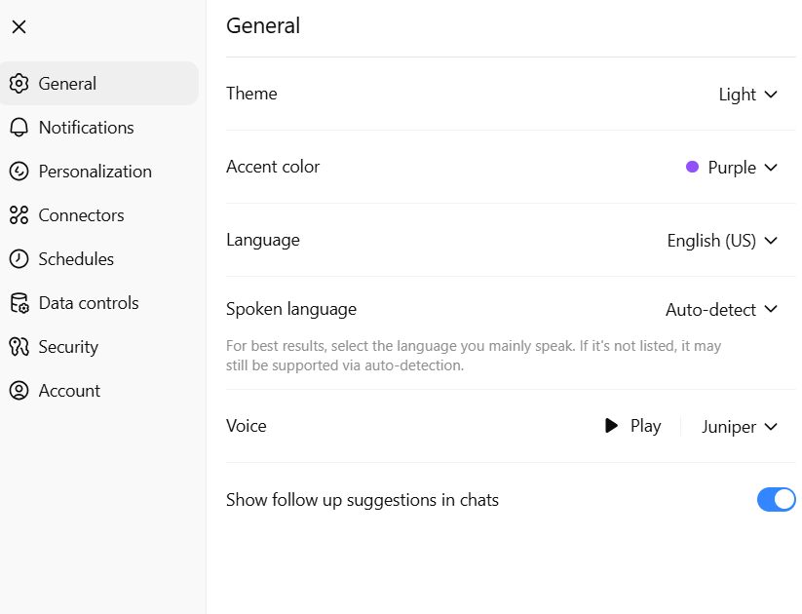
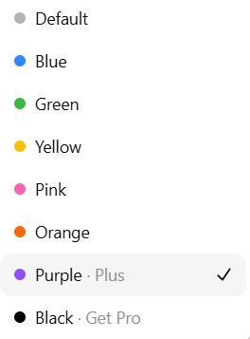
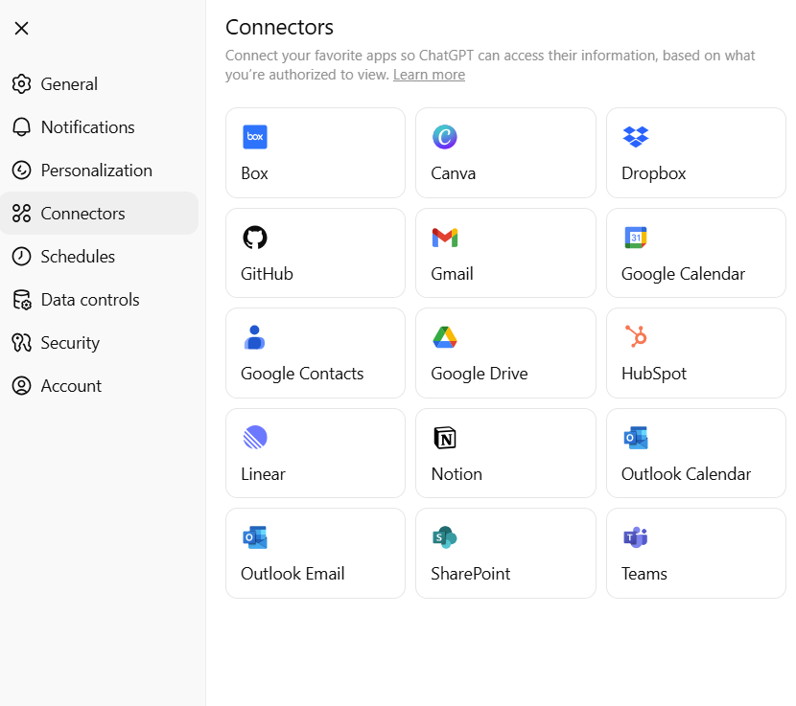
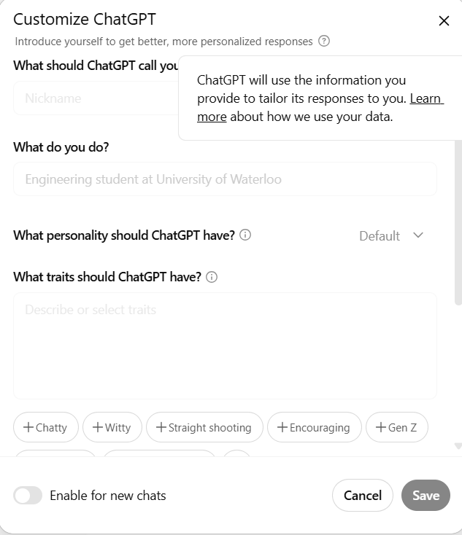
ChatGPT-5 for Finance & FP&A
By Christian Martinez

What can you change in Settings?

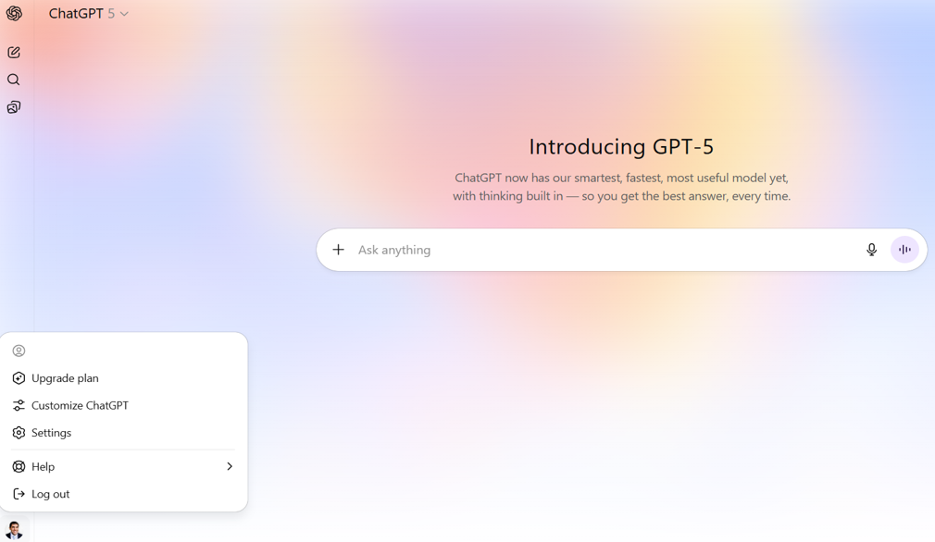

Settings is in the bottom left

GPTs
ChatGPT-5 for Finance & FP&A
By Christian Martinez

What is a GPT and how to Create them?

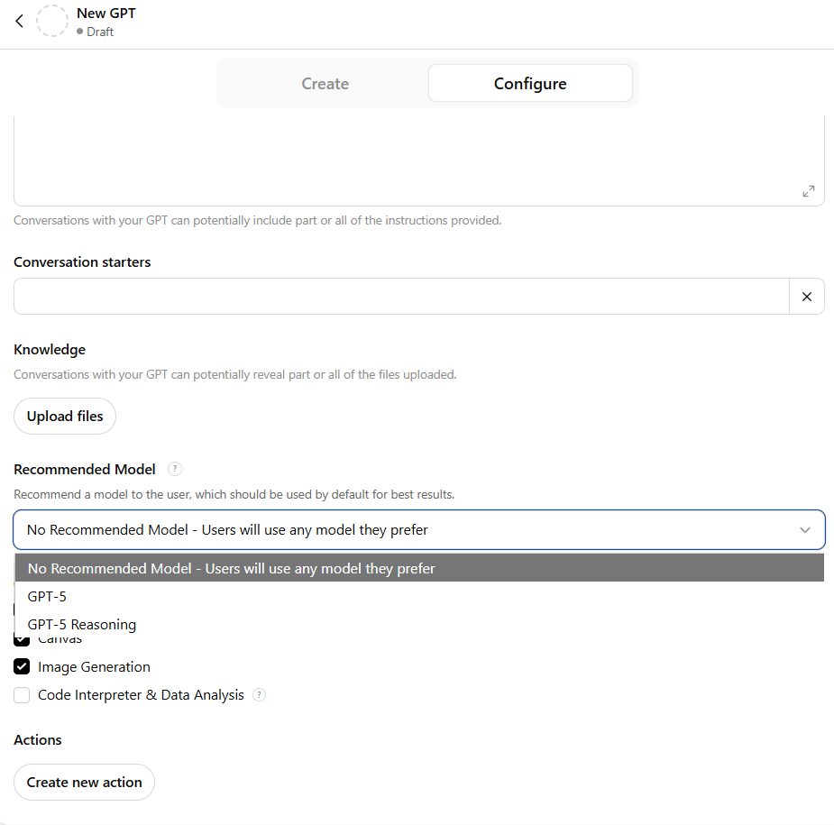
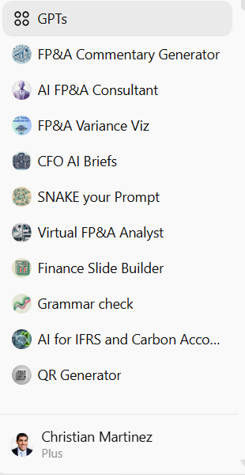
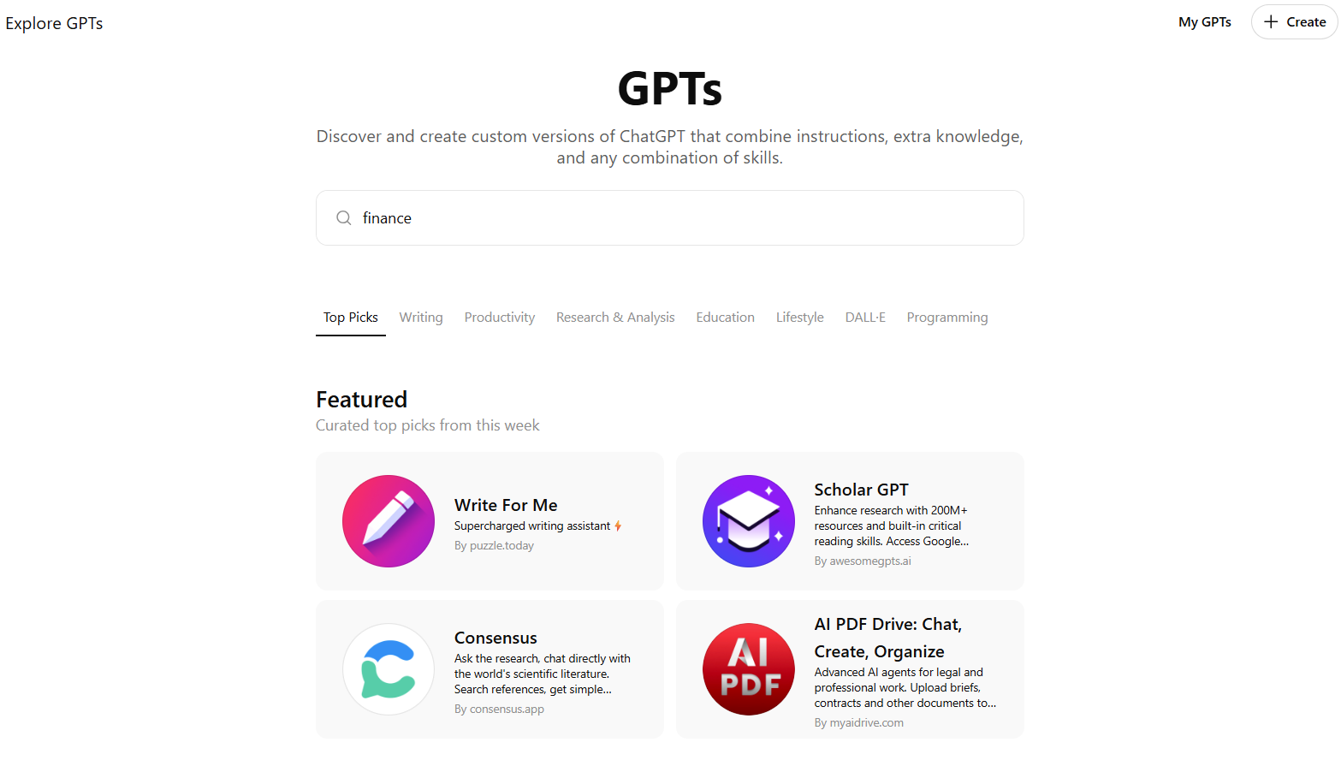

How to Create a GPT?

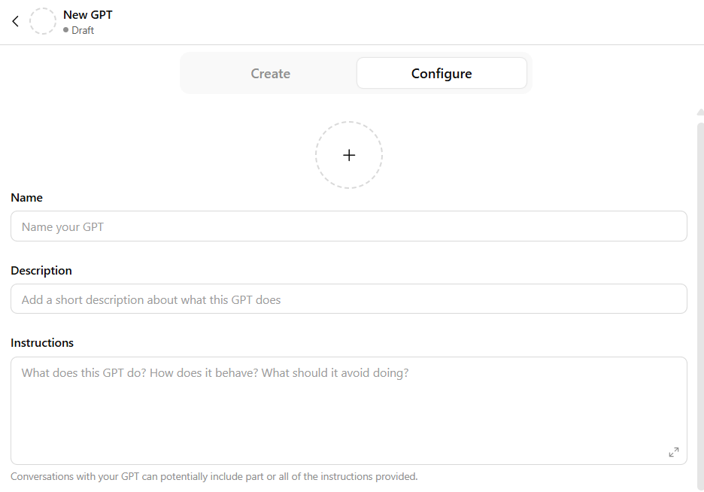
Here’s how to create a GPT
1. Either head to https://chatgpt.com/gpts/editor
2. or head to https://chatgpt.com/gpts and in the top right cornet click “+ Create”
3. You will see two tabs: 'Configure' and 'Create'. In the Create tab, you can message the GPT Builder to help you build a new GPT. You can say something like, "Make a creative who helps generate visuals for new products" or "Make a software engineer who helps format my code."
4. To name and set the description of your GPT, head to the Configure tab. Here, you will also be able to select the actions you would like your GPT to take, like browsing the web or creating images. You can add Instructions and conversation starters as well.
5. When you’re ready to publish your GPT, select “Publish” and share it with other people if you’d like.

Now you’ve created a GPT!

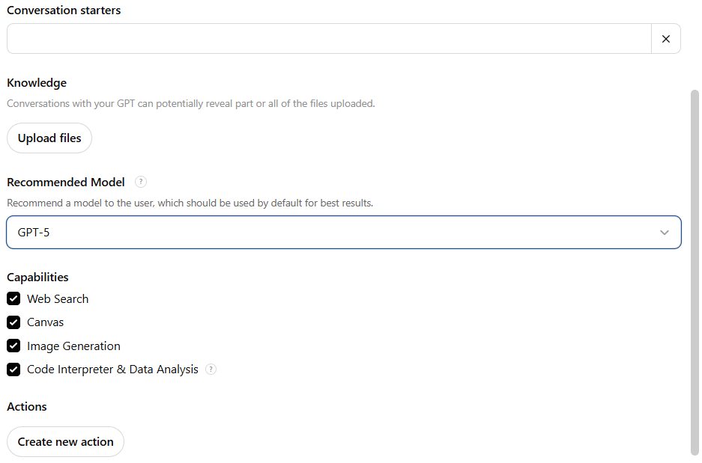
Settings in the Configure tab
Adding an image: You can ask the GPT Builder to create an image for your GPT or you can upload your own under the Configure tab. This image will serve as an icon for your GPT when it appears in the list of GPTs in the Library.
Instructions: Here you can provide detailed instructions or guidelines on how the GPT should behave, its functionalities, and any behavior to avoid.
Prompt Starters: These are examples of prompts for the user to start the conversation.
Knowledge: This allows you to provide additional context for your GPT to reference. Please note that content from the files that are uploaded could be included in the output. For file formats and size, as well as per-GPT limits, please consult the File Uploads FAQ.
Capabilities: Enabling Web Search, Canvas, Image Generation, and Code Interpreter & Data Analysis, will allow the GPT to perform additional functionality.
Custom Actions: You can make third-party APIs available to your GPT by providing details about the endpoints, parameters, and a description about how the model should use it. Actions for GPTs can also be imported from an OpenAPI schema. So if you’ve already built a plugin, you will be able to use your existing plugin manifests to define actions for your GPT.

FAQ
Q: How many files can I upload to a GPT?
A: We allow up to 20 files to be uploaded to a custom GPT.
​
​Q: My GPT isn't generating certain files, creating graphs, or handling analytical tasks well. Why is that?
​A: Please ensure that the Code Interpreter & Data Analysis capability is enabled.
​
Q: The custom GPT management page is loading very slowly, likely because I have many custom chats. How can I fix this?
​A: We are aware of the issue and are actively working on performance improvements for this page.

Compare Models
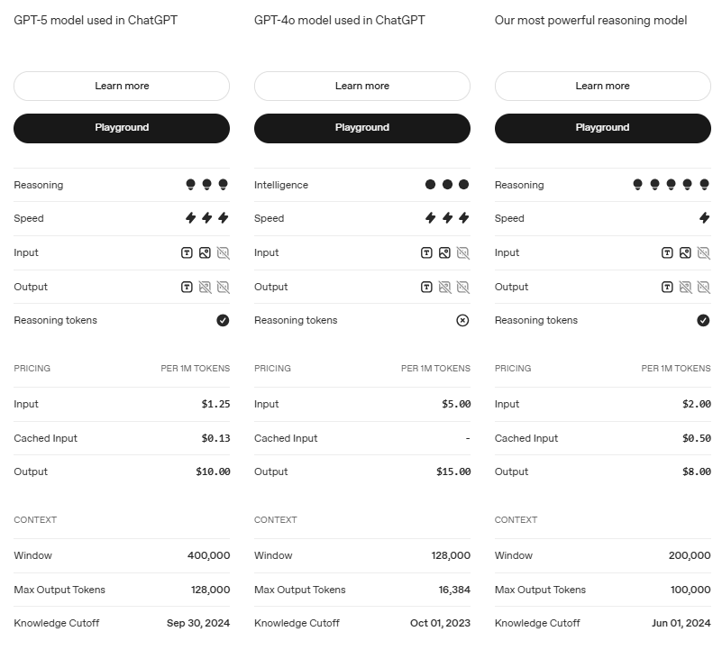
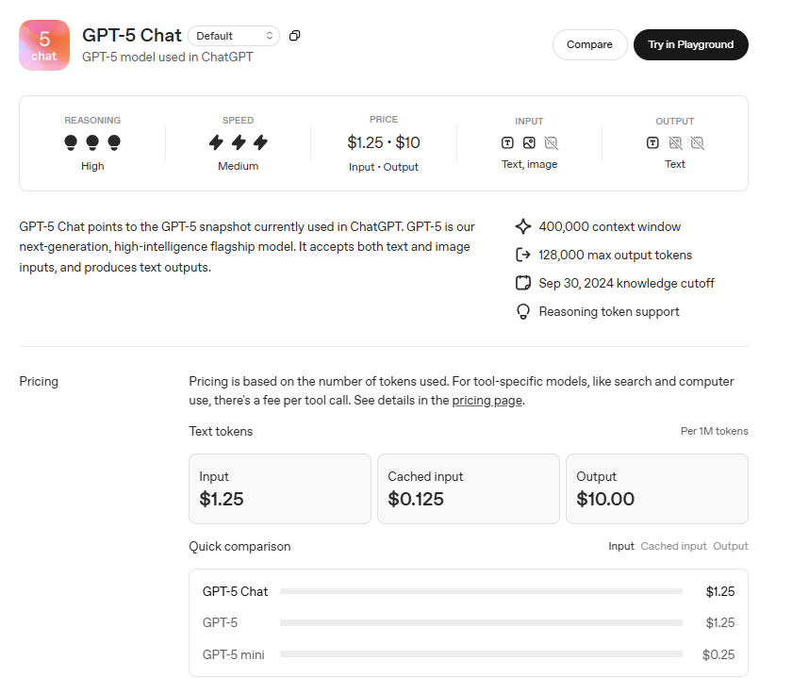
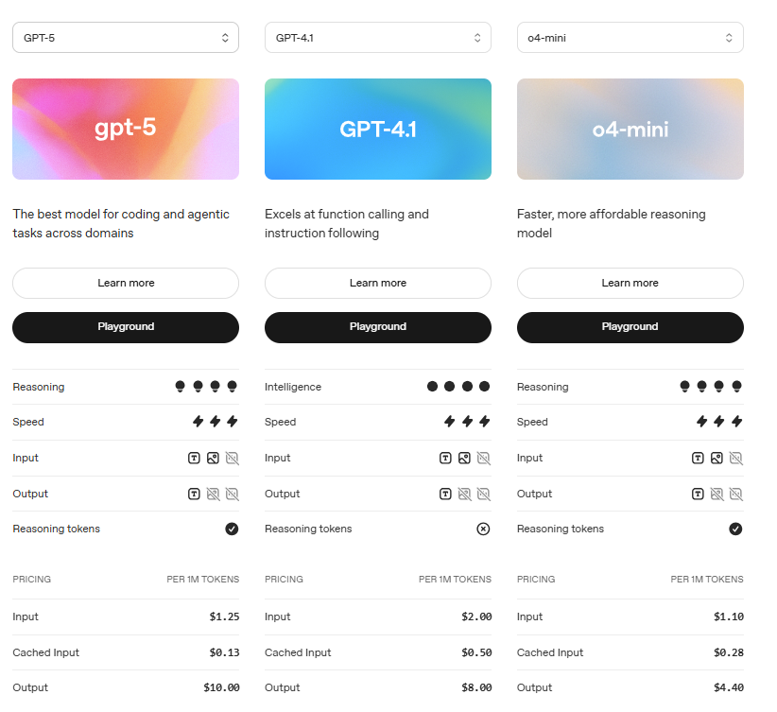
ChatGPT-5 for Finance & FP&A
By Christian Martinez

How does GPT-5 compare to older models?

Compare models - OpenAI API

